WRoom Pinout
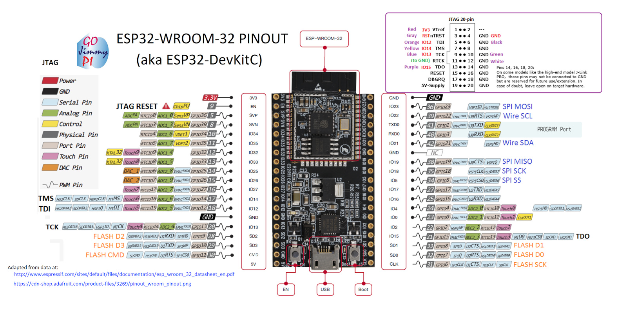

Geekworm Pinout
S6
I36
P7
I39

P1

S9
S7
Sp
S3
S11
P6
S15
D5
P2
D7
S4
S5
D2
D1

Heltec Pinout
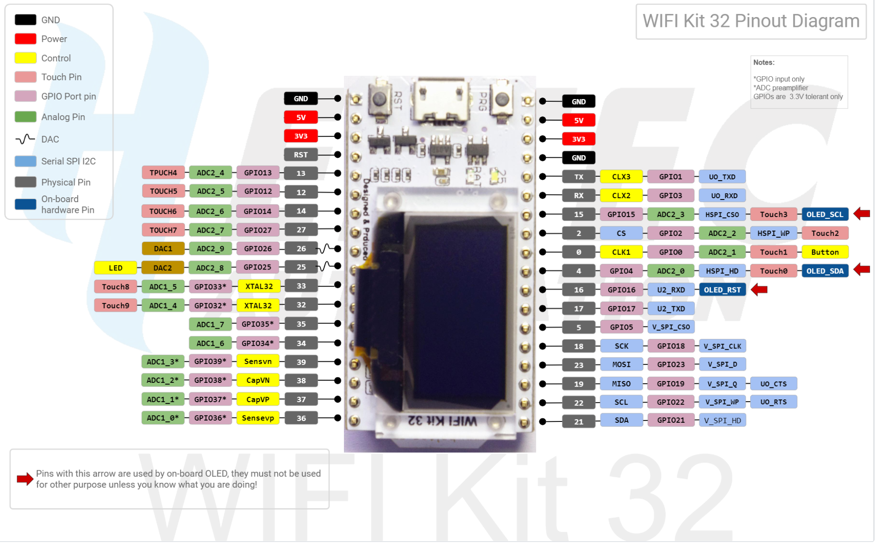

D2
D7
D5
D1
IOMUX pins for SPI controllers are as below:
Pin Name | HSPI | VSPI
 | GPIO Number
P6
S5
CS0* | 15 | 5
S4
SCLK | 14 | 18
Sp
P2
MISO | 12 | 19
MOSI | 13 | 23

S3

S7
S6
S9
P7
P1

Peripheral pinouts
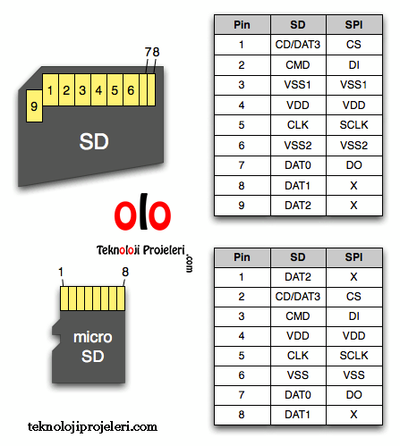
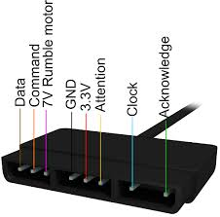
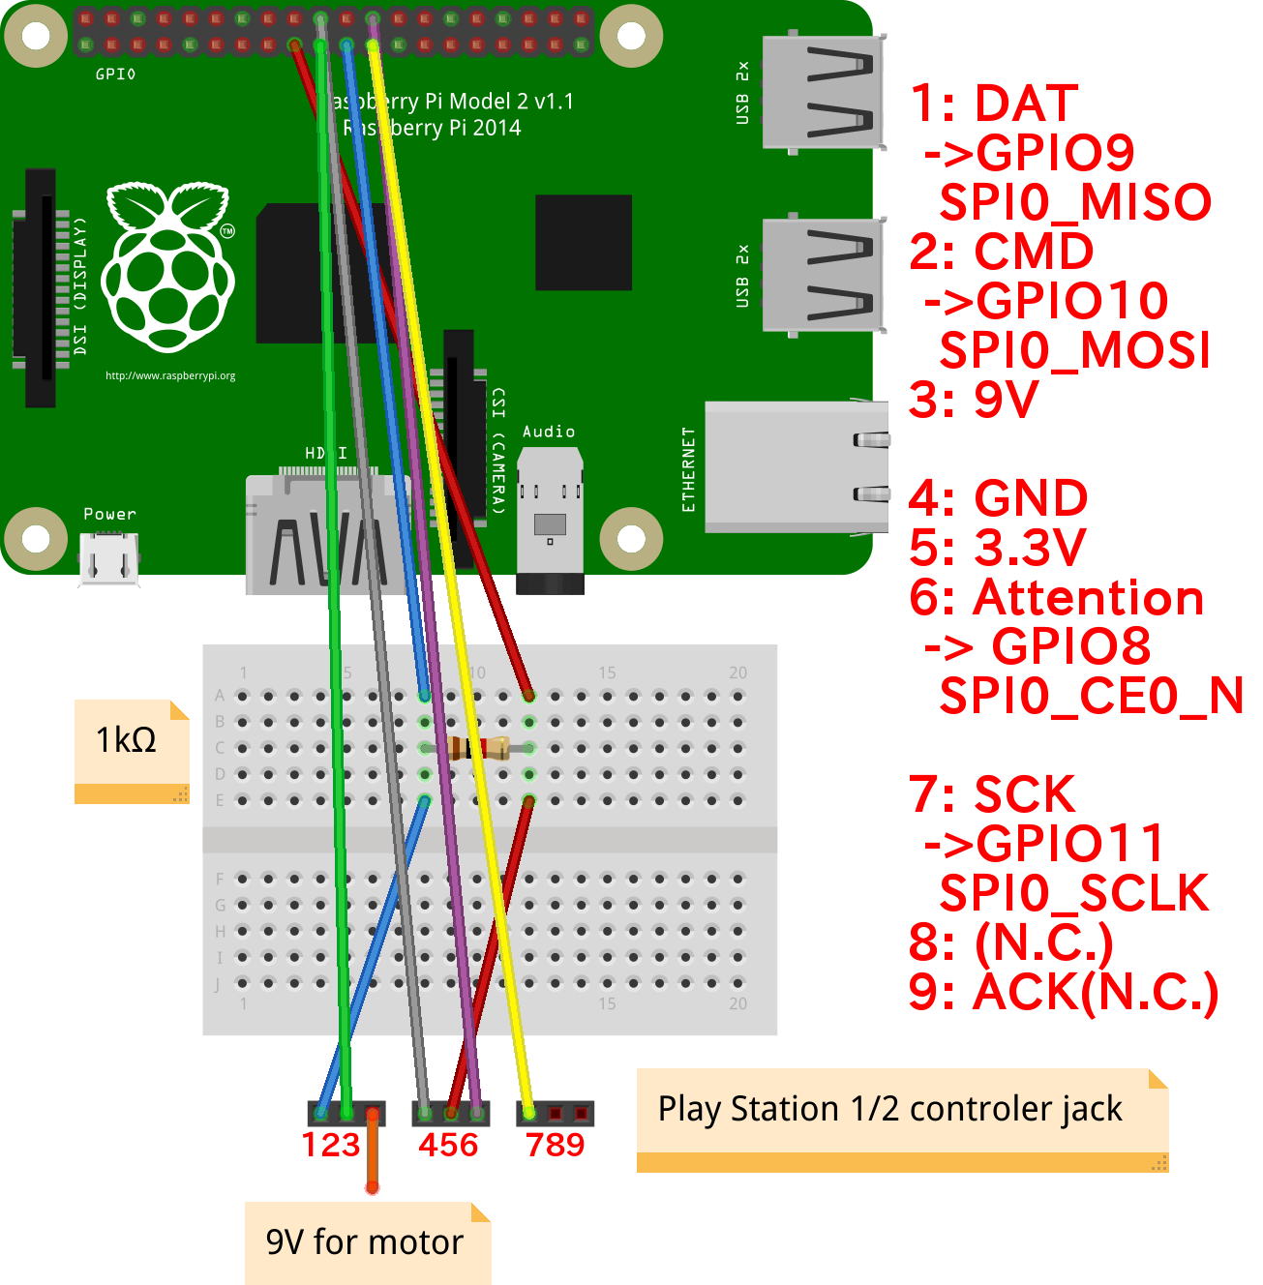
IOMUX pins for SPI controllers are as below:
Pin Name | HSPI | VSPI
 | GPIO Number
CS0* | 15 | 5
SCLK | 14 | 18
MISO | 12 | 19
MOSI | 13 | 23
QUADWP | 2 | 22
QUADHD | 4 | 21

